BS
$$c=SN\left(d_{1}\right)−Ke^{−rT}N\left(d_{2}\right) \\ p=Ke^{−rT}N\left(−d_{2}\right)−SN\left(−d_{1}\right) \\ where \\ d_{1}=\frac{\ln\left(S/K\right)+\left(r+{σ^{2}}/2\right)T}{σ\sqrt{T}} \\ d_{2}=\frac{\ln\left(S/K\right)+\left(r−{σ^{2}}/2\right)T}{σ\sqrt{T}}=d_{1}−σ\sqrt{T} \\ c−p=S−Ke^{−rT}$$
Black-Scholes Model (no dividend)
(We name cells E7, E8, E9, E10, E11)

Option Inputs |  |  | Now use inputs at daily frequency:
Current date | 2020-01-02 |  | Current date | 2020-01-02
Option expiration date | 2020-06-19 |  | Option expiration date | 2020-06-19
Stock price (S) | 100 |  | Stock price (S) | 100
Strike price (K) | 80 |  | Strike price (K) | 80
Maturity (T) in years | 0.463 | <-- =(D6-D5)/365 | Maturity (T) in days | 169 | <-- =O6-O5
Riskfree (rr) (annual) | 3% |  | Riskfree (rr) (daily) | 0.01% | <-- =3% /365
Volatilty (v) (annual) | 25% |  | Volatilty (v) (daily) | 1.31% | <-- =25%/SQRT(365)

OutPut using Excel |  |  | OutPut
d_1 | 1.478 | <-- =(LN(S/K)+(rr+v^2/2)*T)/(v*SQRT(T)) | d_1 | 1.478 | <-- =(LN(O7/O8)+(O10+O11^2/2)*O9)/(O11*SQRT(O9))
d_2 | 1.308 | <-- =dOne-v*SQRT(T) | d_2 | 1.308 | <-- =O14-O11*SQRT(O9)
K * exp (- r T) = PV(K) | 78.90 | <-- =K*EXP(-rr*T) | K * exp (- r T) = PV(K) | 78.90 | <-- =O8*EXP(-O10*O9)

Call Price from BS model | 21.664 | <-- =S*NORMSDIST(dOne)-D16*NORMSDIST(dTwo) | Call Price from BS model | 21.664 | <-- =O7*NORMSDIST(O14)-O16*NORMSDIST(O15)
Put Price from BS model | 0.561 | <-- =D16*NORMSDIST(-dTwo)-S*NORMSDIST(-dOne) | Put Price from BS model | 0.561 | <-- =O16*NORMSDIST(-O15)-O7*NORMSDIST(-O14)
Put price from Put-Call Parity | 0.561 | = c - S + K*exp(-rT). | Put price from Put-Call Parity | 0.561 | <-- =O18-O7+O16
 |  | We can use parity to double check our computation with put-call parity

OutPut using VBA function BS
Call Price | 21.664 | <-- =BS("c", S,K,T,rr,0,v)
Put Price | 0.561 | <-- =BS("p", S,K,T,rr,0,v)
(dividend yield q = 0)

BS_div1
Black-Scholes with Known Continuous Dividend Yield
(We name cells E6, E7, E8, E9, E10, E11)
Option Inputs |  |  | Black-Scholes-Merton Formula with dividend yield
$$c=Se^{−qT}N\left(d_{1}\right)−Ke^{−rT}N\left(d_{2}\right) \\ p=Ke^{−rT}N\left(−d_{2}\right)−Se^{−qT}N\left(−d_{1}\right) \\ where \\ d_{1}=\frac{\ln\left(S/K\right)+\left(r−q+{σ^{2}}/2\right)T}{σ\sqrt{T}} \\ d_{2}=\frac{\ln\left(S/K\right)+\left(r−q−{σ^{2}}/2\right)T}{σ\sqrt{T}}=d_{1}−σ\sqrt{T}$$
Current date | 2020-01-02
Option expiration date | 2020-06-19
Stock price (S) | 100
Strike price (K) | 80
Maturity (T) | 0.463 | <-- =(D5-D4)/365
Riskfree Rate (rr) | 3%
Dividend yield (q) | 5%
Volatilty (v) | 25%

OutPut using VBA function BS
Call Price | 19.557 | <-- =BS("c", S,K,T,rr,q,v)
Put Price | 0.742 | <-- =BS("p", S,K,T,rr,q,v)

NDXOption
Black-Scholes Model for Nasdaq 100 Index

Option Inputs (Annual Frequency)
Option style | European
Option type (c or p) | c
Current date | 2021-01-05
Option expiration date | 2021-01-20
Stock price (S) | 12802.38
Strike price (K) | 12600
Maturity (T) | 0.0411 | <-- =(B7-B6)/365
Riskfree Rate (r) | 0.09% | <-- =DTB4WK!B27/100
Dividend yield (q) | 0.72% | (Current value: https://www.wsj.com/market-data/stocks/peyields)
Volatilty (v) | 20.50% | <-- =STDEV.S('^NDX'!H3:H38)*SQRT(12)

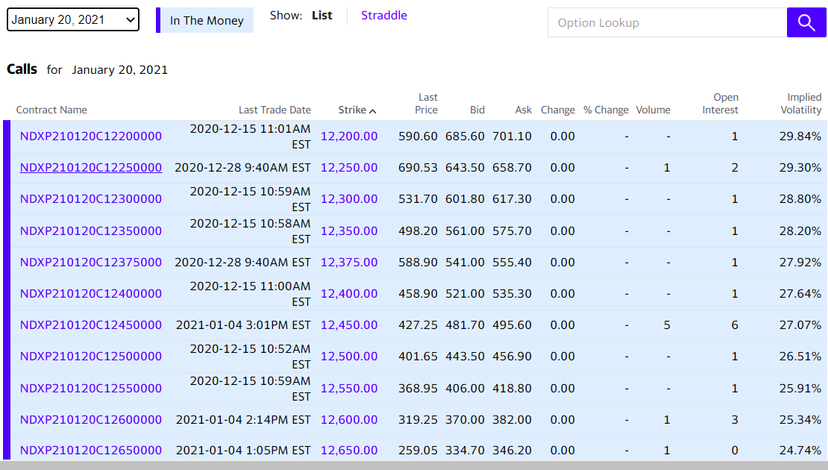
VBA function "BS"
Euro Call Price | 324.84 | <-- =BS("c",B8,B9,B10,B11,B12,B13)

Market price of the option
Bid | 370
Ask | 382
Mid | 376 | <-- =(B19+B20)/2

BS chart
How Do European Call Option Prices React to Input Changes: Stock Price & Volatility

Option Inputs (Annual Frequency)
Option type (c or p)
Stock price (S) |  | 100
Strike price (K) |  | 100
Time to maturity (T) |  | 1
Riskfree rate (r) |  | 3%
Dividend yield (q) |  | 5%
Volatilty (v) |  | 25%

Option price vs. Stock price
VBA Function (BS)
Euro Call Price |  | 8.6277 | <-- =BS("c",C5,C6,C7,C8,C9,C10)
Euro Put Price |  | 10.5493 | <-- =BS("p",C5,C6,C7,C8,C9,C10)

 | Stock Price | Call Price | Put Price | Volatility | Call Price | Put Price
 | 5 | 0.0000 | 92.2884 | 2.5% | 0.2887 | 2.2103
 | 10 | 0.0000 | 87.5323 | 5.0% | 1.1069 | 3.0285
 | 15 | 0.0000 | 82.7761 | 7.5% | 2.0150 | 3.9366
 | 20 | 0.0000 | 78.0200 | 10.0% | 2.9471 | 4.8687
 | 25 | 0.0000 | 73.2638 | 12.5% | 3.8886 | 5.8103
 | 30 | 0.0000 | 68.5077 | 15.0% | 4.8345 | 6.7561
 | 35 | 0.0000 | 63.7516 | 17.5% | 5.7823 | 7.7039
 | 40 | 0.0003 | 58.9957 | 20.0% | 6.7309 | 8.6525
 | 45 | 0.0022 | 54.2415 | 22.5% | 7.6795 | 9.6012
 | 50 | 0.0107 | 49.4938 | 25.0% | 8.6277 | 10.5493
 | 55 | 0.0387 | 44.7657 | 27.5% | 9.5749 | 11.4965
Option price vs. Volatility
 | 60 | 0.1121 | 40.0829 | 30.0% | 10.5210 | 12.4426
 | 65 | 0.2726 | 35.4873 | 32.5% | 11.4657 | 13.3873
 | 70 | 0.5768 | 31.0352 | 35.0% | 12.4087 | 14.3304
 | 75 | 1.0896 | 26.7919 | 37.5% | 13.3499 | 15.2716
 | 80 | 1.8762 | 22.8224 | 40.0% | 14.2891 | 16.2107
 | 85 | 2.9926 | 19.1827 | 42.5% | 15.2261 | 17.1477
 | 90 | 4.4792 | 15.9131 | 45.0% | 16.1607 | 18.0823
 | 95 | 6.3570 | 13.0347 | 47.5% | 17.0928 | 19.0144
 | 100 | 8.6277 | 10.5493 | 50.0% | 18.0222 | 19.9438
 | 105 | 11.2764 | 8.4419 | 52.5% | 18.9488 | 20.8704
 | 110 | 14.2757 | 6.6850 | 55.0% | 19.8724 | 21.7940
 | 115 | 17.5896 | 5.2428 | 57.5% | 20.7929 | 22.7145
 | 120 | 21.1784 | 4.0754 | 60.0% | 21.7102 | 23.6318
 | 125 | 25.0018 | 3.1426 | 62.5% | 22.6240 | 24.5456
 | 130 | 29.0210 | 2.4057 | 65.0% | 23.5343 | 25.4559
 | 135 | 33.2010 | 1.8296 | 67.5% | 24.4410 | 26.3626
 | 140 | 37.5108 | 1.3832 | 70.0% | 25.3439 | 27.2655
 | 145 | 41.9240 | 1.0403 | 72.5% | 26.2429 | 28.1645
 | 150 | 46.4186 | 0.7787 | 75.0% | 27.1378 | 29.0594
 | 155 | 50.9765 | 0.5805 | 77.5% | 28.0286 | 29.9502
 | 160 | 55.5833 | 0.4311 | 80.0% | 28.9150 | 30.8367
 | 165 | 60.2275 | 0.3192 | 82.5% | 29.7971 | 31.7187
 | 170 | 64.9001 | 0.2356 | 85.0% | 30.6747 | 32.5963
 | 175 | 69.5941 | 0.1735 | 87.5% | 31.5476 | 33.4692
 | 180 | 74.3043 | 0.1275 | 90.0% | 32.4158 | 34.3374
 | 185 | 79.0265 | 0.0936 | 92.5% | 33.2791 | 35.2007
 | 190 | 83.7576 | 0.0685 | 95.0% | 34.1374 | 36.0591
 | 195 | 88.4953 | 0.0501 | 97.5% | 34.9907 | 36.9123
 | 200 | 93.2380 | 0.0367 | 100.0% | 35.8388 | 37.7604

BS Delta
Delta of European Options

$$Δ_{call}=e^{−qT}N\left(d_{1}\right)>0 \\ Δ_{put}=−e^{−qT}N\left(−d_{1}\right)<0 \\ where d_{1}=\frac{\ln\left(S/K\right)+\left(r−q+{σ^{2}}/2\right)T}{σ\sqrt{T}} \\ d_{2}=d_{1}−σ\sqrt{T}$$
Option Inputs (Annual Frequency)
Option type (c or p) | c | <= case sensitive; if you enter "C" or "P", you will not get results
Stock price (S) | 100
Strike price (K) | 100
Time to maturity (T) | 1
Riskfree rate (r) | 3%
Dividend yield (q) | 5%
Volatilty (v) | 25%

Delta of European option
Delta of call | 0.4927 | <-- =bsdelta("c",B5,B6,B7,B8,B9,B10)
Delta of put | -0.4585 | <-- =bsdelta("p",B5,B6,B7,B8,B9,B10)

Delta Hedging
$$S_{t−Δt}=S_{t}\exp\left(\left(r−q−{σ^{2}}/2\right)Δt+σε\sqrt{Δt}\right) \\ {Call}_{t}=S_{t}Δ_{\text{call},t}−Ke^{−rt}N\left(d_{2,t}\right) \\ Δ_{\text{call},t}=e^{−qt}N\left(d_{1,t}\right) \\ d_{2,t}=\frac{\ln\left({S_{t}}/K\right)+\left(r−q−{σ^{2}}/2\right)t}{σ\sqrt{t}}$$
where t is time to maturity.
Black-Scholes-Merton (BSM) Delta Hedging
(We name cells E4, E5, E6, E8, E9, E10, E11)
Input Table
Option type (optType) | c
Stock price (S0) | 50
Strike price (K) | 50
Time to maturity (T, years) | 0.2308 | <-- =12/52
Riskfree rate (rr) | 4%
Dividend yield (q) | 0%
Volatility (V) | 40%
Time step (dt = 1 week) | 0.0192 | <-- =1/52

Delta Hedging a Call |  |  |  |  | Hedging Portfolio
Weeks until expiration | Time to maturity (t) | Stock price | NdTwo | Delta (stock share) | Shares purchased | Cost of shares purchased | Stock value | Bond value | Portfolio Value
12 | 0.2308 | $50.00 | 0.4808 | 0.5573 | 0.5573 | 27.865 | $27.86 | -$23.82 | $4.044 | <-- =H15+I15
11 | 0.2115 | $51.66 | 0.5524 | 0.6239 | 0.0666 | 3.442 | $32.23 | -$27.28 | $4.952
10 | 0.1923 | $51.06 | 0.5301 | 0.5990 | -0.0249 | -1.271 | $30.59 | -$26.03 | $4.553
9 | 0.1731 | $49.85 | 0.4763 | 0.5426 | -0.0564 | -2.813 | $27.05 | -$23.24 | $3.811
8 | 0.1538 | $46.65 | 0.3150 | 0.3726 | -0.1700 | -7.928 | $17.38 | -$15.33 | $2.054
7 | 0.1346 | $46.70 | 0.3077 | 0.3611 | -0.0116 | -0.541 | $16.86 | -$14.80 | $2.061
6 | 0.1154 | $45.52 | 0.2343 | 0.2780 | -0.0831 | -3.783 | $12.65 | -$11.03 | $1.625
5 | 0.0962 | $42.95 | 0.1044 | 0.1286 | -0.1494 | -6.415 | $5.52 | -$4.62 | $0.901
4 | 0.0769 | $42.42 | 0.0655 | 0.0809 | -0.0477 | -2.023 | $3.43 | -$2.60 | $0.829
3 | 0.0577 | $43.09 | 0.0578 | 0.0698 | -0.0111 | -0.477 | $3.01 | -$2.13 | $0.881
2 | 0.0385 | $41.72 | 0.0099 | 0.0122 | -0.0576 | -2.403 | $0.51 | $0.27 | $0.784
1 | 0.0192 | $40.35 | 0.0001 | 0.0001 | -0.0122 | -0.491 | $0.00 | $0.76 | $0.767
0 | 0.0000 | $36.40 |  |  |  |  |  |  | $0.768 | <-- =C27*E26+I26*EXP(rr*dt)

Hedged position payoff | 0.768 | <-- =J27
Call option payoff | 0.000 | <-- =MAX(C27-B6,0)

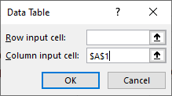
Cross-sectional simulation for 30 times
Simulation # (Inputs) | Hedged position | Call option |  | Average difference between hedging position and call option payoff:
1 | 0.768 | 0.000 |  |  | 0.3185 | <-- =AVERAGE(B34:B63-C34:C63)
2 | 7.167 | 5.845 |  | Standard Error of diff between hedging position and call option payoff:
3 | 11.345 | 10.976 |  |  | 0.1628 | <-- =STDEV.S(B34:B63-C34:C63)/SQRT(30)
4 | 5.609 | 4.308 |  | Hypothesis test that payoff difference between hedged position and call option = 0:
5 | 7.342 | 7.527 |  | (This is a paired two sample t-test)
6 | 0.176 | 0.000 |  | t-stat = | 1.956 | <-- =F34/F36
7 | -0.947 | 0.000 |  | p-value = | 0.060 | <-- =T.DIST.2T(ABS(F39),30-1)
8 | -0.047 | 0.000
9 | -0.346 | 0.000 |  | Or go to Data-->Data Analysis-->t-Test:Paired Two Sample for Means
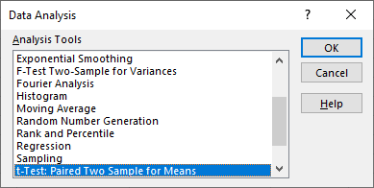
10 | 0.430 | 0.000
11 | 2.098 | 1.282
12 | 3.227 | 1.289
13 | 5.749 | 4.574
14 | 1.813 | 0.000
15 | -0.791 | 0.000
16 | 1.424 | 0.000
17 | 1.679 | 0.000
18 | 2.991 | 3.376
19 | -0.747 | 0.000
20 | -0.195 | 0.000
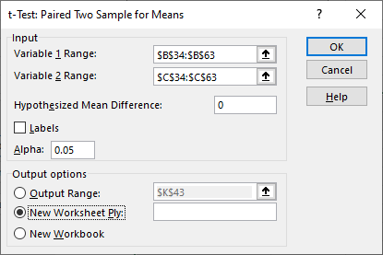
21 | 0.324 | 0.000
22 | 8.645 | 9.370
23 | 17.258 | 16.339
24 | 6.253 | 7.775
25 | 14.147 | 14.309
26 | 8.516 | 8.887
27 | 2.832 | 2.624
28 | 0.144 | 0.000
29 | 0.768 | 0.758
30 | 6.107 | 4.949

